test case report
Test Case Report
Project name | Mithai
Module name
Test Case version
written by | jeba Tahseen
Execute by | jeba Tahseen
Checked by

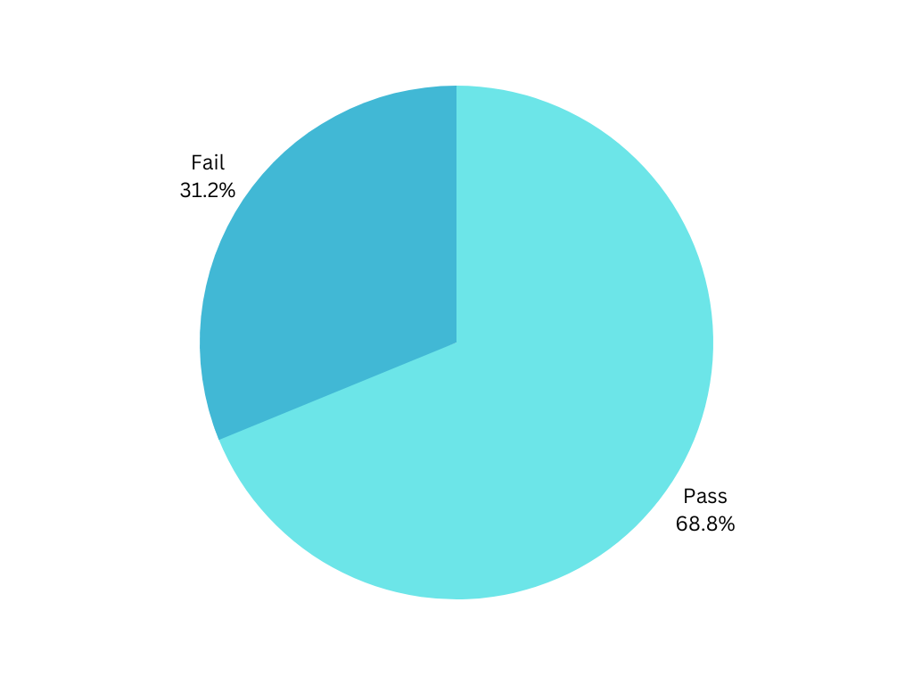
Test case | Pass | Fail | Out of scope | Not execute | total test case
 | 75 | 34 | 0 | 0 | 109
Total | 75 | 34 | 0 | 0 | 109

Mind map
